Application Screen
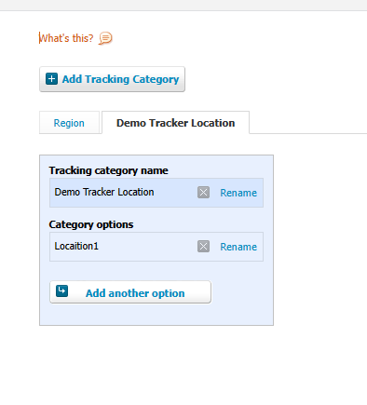
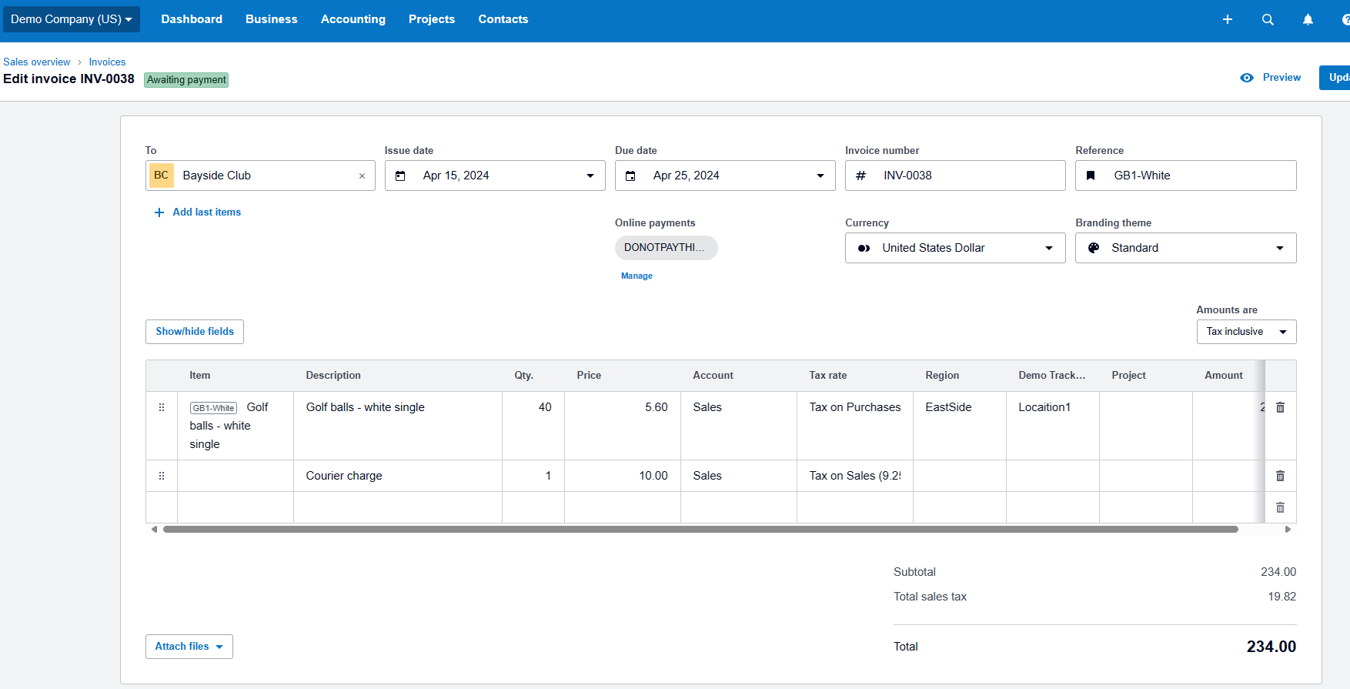

Region and Demo Tracker Location are Tracking categories for this invoice

